Sheet1 (2)
CC1101 IC Pin | Pin | Function | Device | Function | Pin | Pin | Function | Device | Function | Pin | CC1101 IC Pin
 |  |  |  | GP0 | 1 | 40 | VBUS
 | + | In | Buzzer | GP1 | 2 | 39 | VSYS
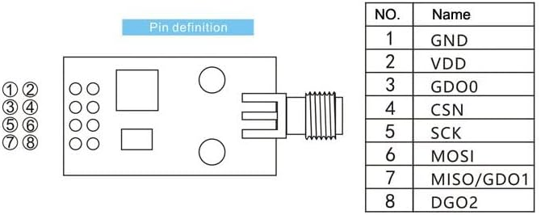
 |  |  |  | GND | 3 | 38 | GND
1 | CC1101 5 | SCK | CC1101 | GP2 | 4 | 37 | 3V3_EN
20 | CC1101 6 | MOSI | CC1101 | GP3 | 5 | 36 | 3V3_Out |  |  |  |  |  |  |  |  | 1 | Black
2 | CC1101 7 | MISO | CC1101 | GP4 | 6 | 35 | ADC_VREF |  |  |  |  |  |  |  |  | 2 | Red
 |  |  |  | GP5 | 7 | 34 | GP28/A2 | CC1101 | CS/SS | CSN (4) |  |  |  |  |  | 3 | White
 |  |  |  | GND | 8 | 33 | GND |  |  |  |  |  |  |  |  | 4 | Violet
 | 4 | D/C | LCD/SD Card | GP6 | 9 | 32 | GP27/A1 | CC1101 | RX | GDO2 (8) |  |  |  |  |  | 5 | Orange
 | 6 | TFT_CS | LCD | GP7 | 10 | 31 | GP26/A0 | CC1101 | CD | GDO0 (3) |  |  |  |  |  | 6 | Green
 |  |  |  | GP8 | 11 | 30 | RUN |  |  |  |  |  |  |  |  | 7 | Yellow
 |  |  |  | GP9 | 12 | 29 | GP22 | SD Card | Card_CS | 5 |  |  |  |  |  | 8 | Brown
 |  |  |  | GND | 13 | 28 | GND
 | LCD 8 | SCK | LCD/SD Card | GP10 | 14 | 27 | GP21 | LCD/SD Card | Reset | 3
 | LCD 7 | MOSI | LCD/SD Card | GP11 | 15 | 26 | GP20 | LCD | LITE | 10
 | LCD 9 | MISO | LCD/SD Card | GP12 | 16 | 25 | GP19
7 | GND | Back | Switch | GP13 | 17 | 24 | GP18
 |  |  |  | GND | 18 | 23 | GND
6 | GND | Select | Switch | GP14 | 19 | 22 | GP17 | LED | RX | +
3 | GND | Next | Switch | GP15 | 20 | 21 | GP16 | LED | Aux | +
 |  |  |  |  |  |  |  |  |  |  |  | LCD Pins | Function | Pico Pin | Pico Function
 |  |  |  |  |  |  | GP25 | Pico | LED | DEBUGPIN |  | 1 | GND
 |  |  |  |  |  |  |  |  |  |  |  | 2 | VCC
Highlight Device | Switch |  |  |  |  |  |  |  |  |  |  | 3 | RESET | 27 | SP21
 |  |  |  |  |  |  |  |  |  |  |  | 4 | D/C | 9 | GP6
 |  |  |  |  |  |  |  |  |  |  |  | 5 | CARD_CS | 29 | GP22
 |  |  |  |  |  |  |  |  |  |  |  | 6 | TFT_CS | 10 | GP7
 |  |  |  |  |  |  |  |  |  |  |  | 7 | MOSI | 5 | GP3
 |  |  |  |  |  |  |  |  |  |  |  | 8 | SCK | 4 | GP2
 |  |  |  |  |  |  |  |  |  |  |  | 9 | MISO | 6 | GP4
 |  |  |  |  |  |  |  |  |  |  |  | 10 | LITE | 26 | GP20

